Sheet1
Conditional Format
Select any Company value in the left filter pane and see conditional formatting in the report

Office | Revenue | 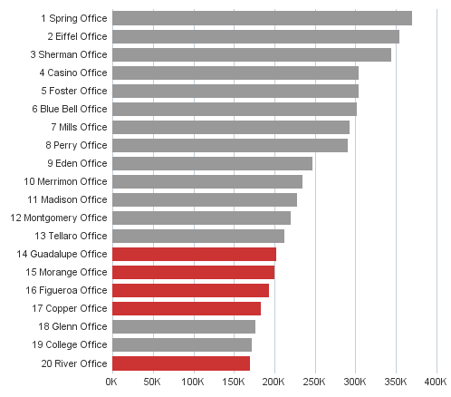
Spring Office | 369,523
Eiffel Office | 353,699
Sherman Office | 343,863
Casino Office | 304,065
Foster Office | 303,581
Blue Bell Office | 302,022
Mills Office | 292,520
Perry Office | 290,749
Eden Office | 247,448
Merrimon Office | 234,278
Madison Office | 228,250
Montgomery Office | 220,143
Tellaro Office | 212,298
Guadalupe Office | 202,370
Morange Office | 200,384
Figueroa Office | 192,877
Copper Office | 183,368
Glenn Office | 176,968
College Office | 172,104
River Office | 169,489
Grand Total | 5,000,000

